GRAND JOSUN BUSAN_Reservation
ICBMT 2026
Please fill out the application form with your signature and submit it to the following email address.
E-mail: busan@grandjosun.com I Tel: +82 (0)51 922 5000
1. Personal Information
Mr. | Ms. | *First Name |  |  |  | *Last Name
□ | □

*Nationality |  |  |  |  |  | 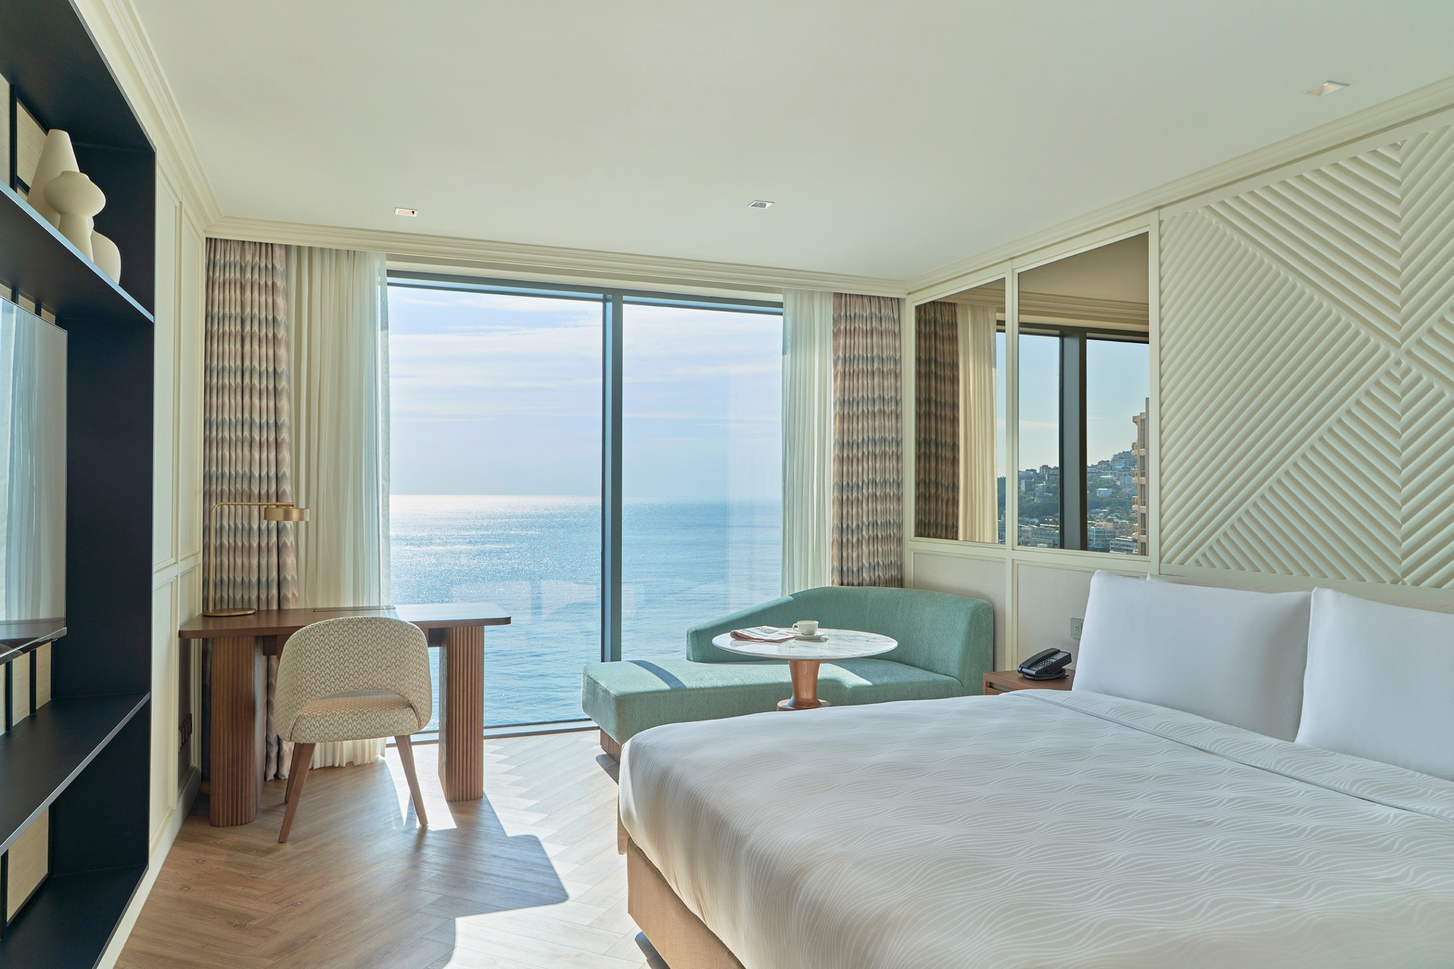 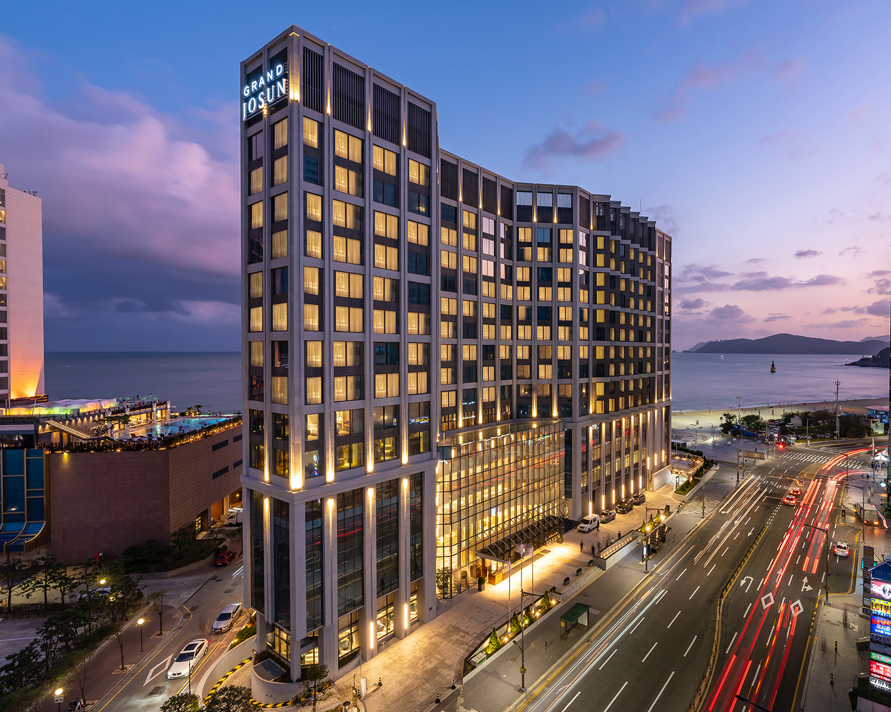
*Mobile
*E-mail
Passport No.

2. Reservation Detail
*Check-In Date |  | ( mm / dd / yy )
*Check-Out Date |  | ( mm / dd / yy )
*Room Type |  | Speical Rate (9.16~18) |  |  |  |  | No. Persons | No. Rooms | Breakfast
 |  | Sunday~Thursday |  | Friday |  | Saturday
Superior City Double |  | KRW198,000 |  | KRW220,000 |  | KRW275,000 |  |  | Y□ / N□ | 180000
Deluxe City King |  | KRW220,000 |  | KRW242,000 |  | KRW297,000 |  |  | Y□ / N□ | 200000
Deluxe City Twin |  | KRW220,000 |  | KRW242,000 |  | KRW297,000 |  |  | Y□ / N□ | 200000
Deluxe Ocean Twin |  | KRW297,000 |  | KRW319,000 |  | KRW374,000 |  |  | Y□ / N□ | 270000
- Above rates are only applicable during the event period.
- 10% VAT included
- Breakfast Buffet : KRW 56,700 / per 1 person (10% DC Price / Aria Buffet 06:30~10:00)
- Free Access to indoor/outdoor swimming pool and fitness center
- Check-in : 15:00PM / Check-out : 11:00AM

3. Payment Guarantee
*Credit Card |  |  | VISA □ Master □ AMEX □ Other □
*Card No.
*Holder's Name
*Expiration Date(mm / yy)

4. Guarantee Rules & Cancellation Policy
- All Reservations must be guaranteed by credit card upon reservation.
- Please advise of changes or cancellations by 6:00PM (KST) 3 days prior to avoid 1 night penalty charge with taxes.

I have read and understood the guarantee rules and cancellation policy and wish to confirm hotel reservation as above.
DATE |  | [ mm / dd / yyyy ] |  |  | Print Name

